Budget Table
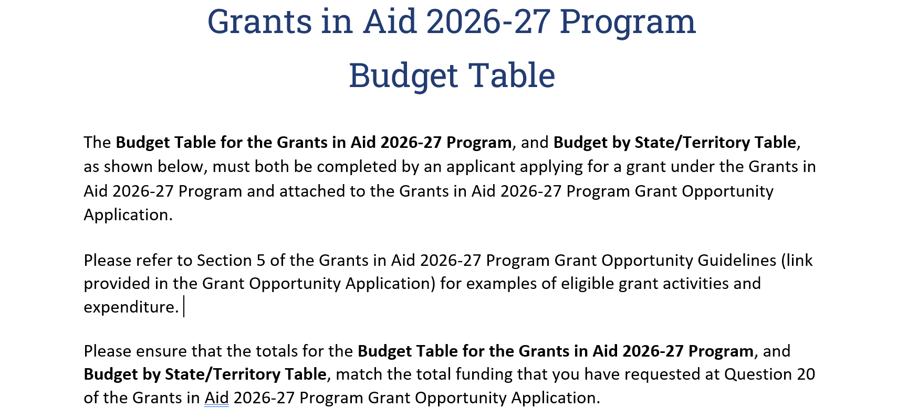

BUDGET TABLE FOR THE GRANTS IN AID 2026-27 PROGRAM

 | Description of budget item (e.g. room hire) | Amount
1
2
3
4
5
6
7
8
9
10
TOTAL |  | $0.00 | OK - totals match

BUDGET BY STATE/TERRITORY TABLE

 | Budget amount | % of budget total
ACT |  | #DIV/0!
NSW |  | #DIV/0!
NT |  | #DIV/0!
QLD |  | #DIV/0!
SA |  | #DIV/0!
TAS |  | #DIV/0!
VIC |  | #DIV/0!
WA |  | #DIV/0!
TOTAL | $0.00 | #DIV/0! | OK - totals match

